Sheet1
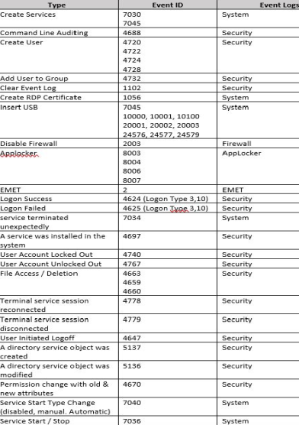

4670
Security
7040
System
7036
System
Event ID
7030
7045
4688
4720
4722
4724
4728
4732
1102
1056
7045
10000, 10001, 10100
20001, 20002, 20003
24576, 24577, 24579
2003
8003
8004
8006
8007
4624 (Logon Type 3,10)
4625 (Logon 7,,ypg,3,10)
7034
4697
4740
4767
4663
4659
4660
4778
4779
4647
5137
5136
Event Logs
System
Security
Security
Security
Security
System
System
Firewall
AppLocker
EIVIET
Security
Security
System
Security
Security
Security
Security
Security
Security
Security
Security
Security
Permission change with old &
new attributes
Service Start Type Change
(disabled, manual. Automatic)
Service Start / Stop
Type
Create Services
Command Line Auditing
Create User
Add User to Group
Clear Event Log
Create RDP Certificate
Insert USB
Disable Firewall
EIVIET
Logon Success
Logon Failed
service terminated
unexpectedly
A service was installed in the
system
User Account Locked Out
User Account Unlocked Out
File Access / Deletion
Terminal service session
reconnected
Terminal service session
disconnected
User Initiated Logoff
Acrceliarteecctiory service object was
A directory service object was
modified

